Table Of Contents
Generate or Update Table Of Contents
Object Identifier | Object Number | _Level | Object Heading | Object Text | Object Level | _VerificationMethod | _VerificationStatus | _VerifiesDOORSRequirements | _VerifiesNonDOORSRequirements | _SWVersionTested | _TestScriptName | _Comment | Test Method
 |  | 1 | General |  | 1
 |  | 2 | CB Information | 64020160 | 1
 |  | 2.1 | CaseTrackerID in CB | 64020138 | 2
 |  | 2.2 | CaseFolderID in CB | 22420934 | 2
 |  | 2.3 | Release in CB | Release_SAIC_ZP22_P10.01 | 2
 |  | 3 | Test Cases |  | 1
Import .CSV from DOORS
 |  | 3.1 |  |  | 2
 |  | 3.2 | WL |  | 2
Generate or Update
Customer Requirement
 |  | 3.2.1 |  | Test Case - WL_DCSFault_ON | 3 |  |  | 16547033 16547034 18206017 16547040 16547041 16547042 16571041 16571038 |  | P10.02 | WL_DCSFault_ON.ts |  | 5 2 4 8
Generate or Update
System Requirement
Generate or Update
Software Requirement
 |  | 3.2.2 |  | Test Case - WL_LoopFault_ON | 3 |  |  | 16547033 16547034 18206017 16547040 16547041 16547042 16571041 16571038 |  | P10.02 | WL_LoopFault_ON.ts |  | 5 2 4 8
 |  | 3.2.3 |  | Test Case - WL_COMMFault_OFF | 3 |  |  | 16547033 16547034 18206017 16547040 16547041 16547042 16571041 16571038 |  | P10.02 | WL_COMMFault_OFF.ts |  | 5 2 4 8
 |  | 3.2.4 |  | Test Case - WL_RSUFault_LatchKeyCycle | 3 |  |  | 16547033 16547034 18206017 16547040 16547041 16547042 16571041 16571038 |  | P10.02 | WL_RSUFault_LatchKeyCycle.ts |  | 5 2 4 8
 |  | 3.2.5 |  | Test Case - WL_Crash | 3 |  |  | 16547033 16547034 18206017 16547040 16547041 16547042 16571041 16571038 |  | P10.02 | WL_Crash.ts |  | 5 8
 |  | 3.2.6 |  | Test Case - WL_MutilFault | 3 |  |  | 16547033 16547034 18206017 16547040 16547041 16547042 16571041 16571038 |  | P10.02 | WL_MutilFault.ts |  | 5
 |  | 3.2.7 |  | Test Case - WL_Cfg_ComOutput | 3 |  |  | 16547053 |  | P10.02 | WL_Cfg_ComOutput.ts |  | 5 8
 |  | 3.2.8 |  | Test Case - WL_Cfg_Proveout_ON_OFF_Timer | 3 |  |  | 16547057 16547058 |  | P10.02 | WL_Cfg_Proveout_ON_OFF_Timer.ts |  | 5 8
 |  | 3.2.9 |  | Test Case - WL_Cfg_Proveout_Timer | 3 |  |  | 16547056 |  | P10.02 | WL_Cfg_Proveout_Timer.ts |  | 5
 |  | 3.2.10 |  | Test Case - WL_EOL | 3 |  |  | 16547037 16547043 |  | P10.02 | WL_EOL.ts |  | 5 8
 |  | 3.2.11 |  | Test Case - WL_EOL_Fault_WL_ON_Priority | 3 |  |  | 16547037 16571066 |  | P10.02 | WL_EOL_Fault_WL_ON_Priority.ts |  | 5 11
 |  | 3.2.12 |  | Test Case - WL_EOL_Fault_WL_OFF_Priority | 3 |  |  | 16547037 |  | P10.02 | WL_EOL_Fault_WL_OFF_Priority.ts |  | 5 11
 |  | 3.2.13 |  | Test Case - WL_2F_Normal | 3 |  |  | 16547047 16547048 |  | P10.02 | WL_2F_Normal.ts |  | 5
 |  | 3.2.14 |  | Test Case - WL_2F_Abnormal | 3 |  |  | 16547047 16547048 |  | P10.02 | WL_2F_Abnormal.ts |  | 5 10
 |  | 3.2.15 |  | Test Case - WL_2F_RealConditions | 3 |  |  | 16547047 16547048 |  | P10.02 | WL_2F_RealConditions.ts |  | 5 2

General Information
*Notes/Comments

2.0 General Information
2.1 Purpose and Scope
The purpose of this Test Procedure is to verify that the DCS software confirms to the software requirements. The procedure checks that the ZP22 module diagnostics requirements are met. A component level black box testing approach is used, i.e., the validation effort will ensure that inputs, provided by the simulators, are properly processed, and that the expected outputs are correct as expected.

2.2 Project Specific Documentation
2.2.1 External
ID |  |  | Title |  | Reference and Revision
[RefA]
[RefB]

2.2.2 Internal
ID |  |  | Title |  | Reference and Revision
[Ref]Specification Version for result document
[Ref]SRS File Name SW |  |  | DES_SW_SAIC_SC3_1S_WLMgr |  | SAIC_ZP22_SC3_1S_RELEASE_P10.02
[Ref]SRS File Name SYS
[Ref]Veoneer Faults
[Ref]DTCs
[Ref]File for SRS Location From SW
[Ref]Needed information from

2.3 Terminology and Definitions
2.3.1 Software Process
Refer Veoneer’s Software Development Process Dictionary and Reference Guide. See SW00OTH001_Dictionary_Acronyms_Roles and SC2 project specific document located in the Process Asset directory in MKS Source Integrity.

2.3.2 Project specific acronyms, terms, and definitions

Terminology |  |  |  | Meaning
All abbreviation expanation pls refer to SWV Guideline.xlsm

Compare Requirement ID
2.4 Requirement Tracking
Requirement ID | Comment | NotFoundID
16547033
16547034
18206017
16547037
16571066
16547040
16547041
16547042
16547043
16571041
16571038
16547047
16547048
16547053
16547056
16547057
16547058
19408163
19408164

Test Environment
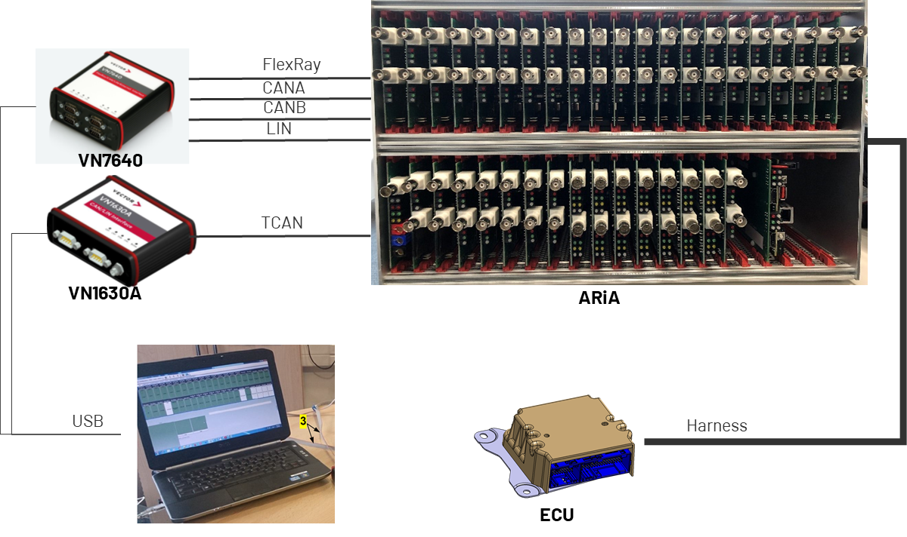
3.0 Test Environment Overview
3.1 Device Under Test
SC2 communicates via HS FlexRay/CAN/LIN
3.2 Test Hardware
Describe the hardware components used to run the tests
Note: Specify the details of HW components listed in Sec. 11 of SVP
Name | Serial # | Calibration Due | Comment
GEEA2.0 SRS | SC3_1S_VAR1_001
ARIA | ASSET-1121186
VN1630 | ASSET-1146003
VN7640

3.3 Test Software
Describe the Test software needed to run the tests (CAN Tools, etc.)
Note: Specify the details of SW components listed in Sec. 11 of SVP
Name | Version | Comment
ARIA | 4.12
ACCT | 2.7

3.4 Test Setup
Describe the test setup with a block diagram.

ReqSummary
WLMgr_Initialization_State
 |  |  |  | first frame signal of WLamp Status to Lamp_ON
 |  |  |  | first frame signal of WLamp Status to Lamp_ON

 |  | Initialization Finished

WLMgr_ProveOut_State
 |  |  |  | WLamp Status to Lamp_ON for WLampProveOutOnTime
 |  |  |  | WLamp Status to Lamp_OFF for WLampProveOutOffTime after WLampProveOutOnTime is exceed
 |  |  |  | set Airbag_Sys_Flt as False during WLampProveOutTime

 | proveout time = 0

WLMgr_Run_State
WLMgr_CarConfig_State
 |  |  | EOL Mode |  | WLamp flashing when ECU in EOL mode if no fault's WarningIndicatorRequest bit is set
WLamp ON when any Fault request Warning Indicator |  |  |  |  | set WLamp Status to Lamp_ON when ECU in EOL mode if anyone of Fault's WarningIndicatorRequest bit request Warning Indicator
WLamp OFF when no Fault request Warning Indicator
 |  |  | Normal
provide new status of WLamp Status within (25+2*CAN_cycle)ms after the Fault is qualified or disqualified

set Airbag_Sys_Flt True when any Fault request Warning Indicator
set Airbag_Sys_Flt True when any Fault request Warning Indicator

The software shall set WLamp Status to Lamp_ON if $2F service request warning lamp ON when in WLMgr_Run_State or WLMgr_CarConfig_State.
The software shall set WLamp Status to Lamp_OFF if $2F service request warning lamp OFF when in WLMgr_Run_State or WLMgr_CarConfig_State.

WLMGR_CANOUTPUT_FEATURE.

WLMGR_PROVEOUT_TIME.
WLMGR_PROVEOUTON_TIME
WLMGR_PROVEOUTON_TIME

